Process Map
Step 1
 | Process Name
Group 1

Step 2
Step 3
Decision
Step 4
Step 5
Step 6
Step 7
Step 9
Group 2 |  | No

Step 8
Step 10
 |  | Yes
Group 3

Group 4

Process Walk
LEAN SIX SIGMA YELLOW BELT PROCESS WALK OBSERVATION LOG

Process Name: |  | Date:
Observed Problem | Type | Impact | Notes |  | Opportunity Type | Definition | Examples
EXAMPLE: Sometimes manager forgets to request an inventory check | Hand-Offs | High | EXAMPLE: Sometimes stock runs out | D | Waste: Defects | Information, products and services that are incomplete or inaccurate | • Inaccurate applications • Broken parts • Missed Deadlines
 |  |  |  | O | Waste: Overproduction | Making more of something - making it earlier or faster - than it's needed | • Extra copies of reports • Extra production for inventory • Redundant storage (hard & soft)
 |  |  |  | W | Waste: Waiting | Waiting for information, equipment, materials, parts or people | • Waiting for approvals • Waiting for equipment • Waiting for large batches
8 Wastes
 |  |  |  | N | Waste: Non-Utilized Talent | Not properly utilizing people's experience, skills, knowledge or creativity | • Employees unable to make decisions • Employees not fully trained • Skilled employees doing unskilled tasks
 |  |  |  | T | Waste: Transportation | Unnecessary movement of materials, information or equipment | • Handoffs between functions • Material moved between departments • Sending, resending emails
 |  |  |  | I | Waste: Inventory | Accumulation of parts, information, applications, etc. beyond what is required by the customer | • Stockpiling supplies • Information piling up for data entry • Keeping data longer than necessary
 |  |  |  | M | Waste: Motion | Any movement by people that is not of value to the customer | • Repetitive key strokes • Walking between equipment • Switching applications
 |  |  |  | E | Waste: Extra-Processing | Any steps that do not add value in the eyes of the customer | • Extra formatting, extra fields • Extra features, excess details • Extra report information
 |  |  |  |  | Approvals | More approvals than are absolutely necessary | • Two or more levels of approval • Multiple in process approvals • Approvals that take excessive time
 |  |  |  |  | Hand-Offs | Excessive transfers of work from one person to another | • Passing work between functions/roles • Unfinished work passed to next shift • Interrupted work that is resumed later
Other Opportunities
 |  |  |  |  | Loop Backs | Steps to correct errors or defects (rework) | • Work moving upstream for correction • Incomplete work passed on, updated later • Failed inspection/approval, find out why
 |  |  |  |  | Process Variation | Inconsistencies in how the work is done, unexpected variations or abnormalities | • Staff performing the work differently • Using multiple forms when one will do • Each order considered custom or unique
 |  |  |  |  | Disorganization | The physical or virtual workspace is disorganized, impairing people from doing their work. | • Obvious clutter in the workplace • Frequent difficulty finding needed items • Flow of work difficult to observe

5S
LEAN SIX SIGMA YELLOW BELT RED TAG LOG |  |  |  |  |  | INSTRUCTIONS: 1. Use this template in the 5S: SORT step to track items removed from the work area 2. Enter information in columns C,D,E as items are moved to the quarantine area 3. Enter information into columns F,G,H as items are moved out of the quarantine area

Tag # | Date | Item Description | Disposition | When | Status
A01 | 2021-03-12 | EXAMPLE: Mop and bucket | EXAMPLE: Move to broom closet | 2021-03-15

 |  |  |  |  |  | 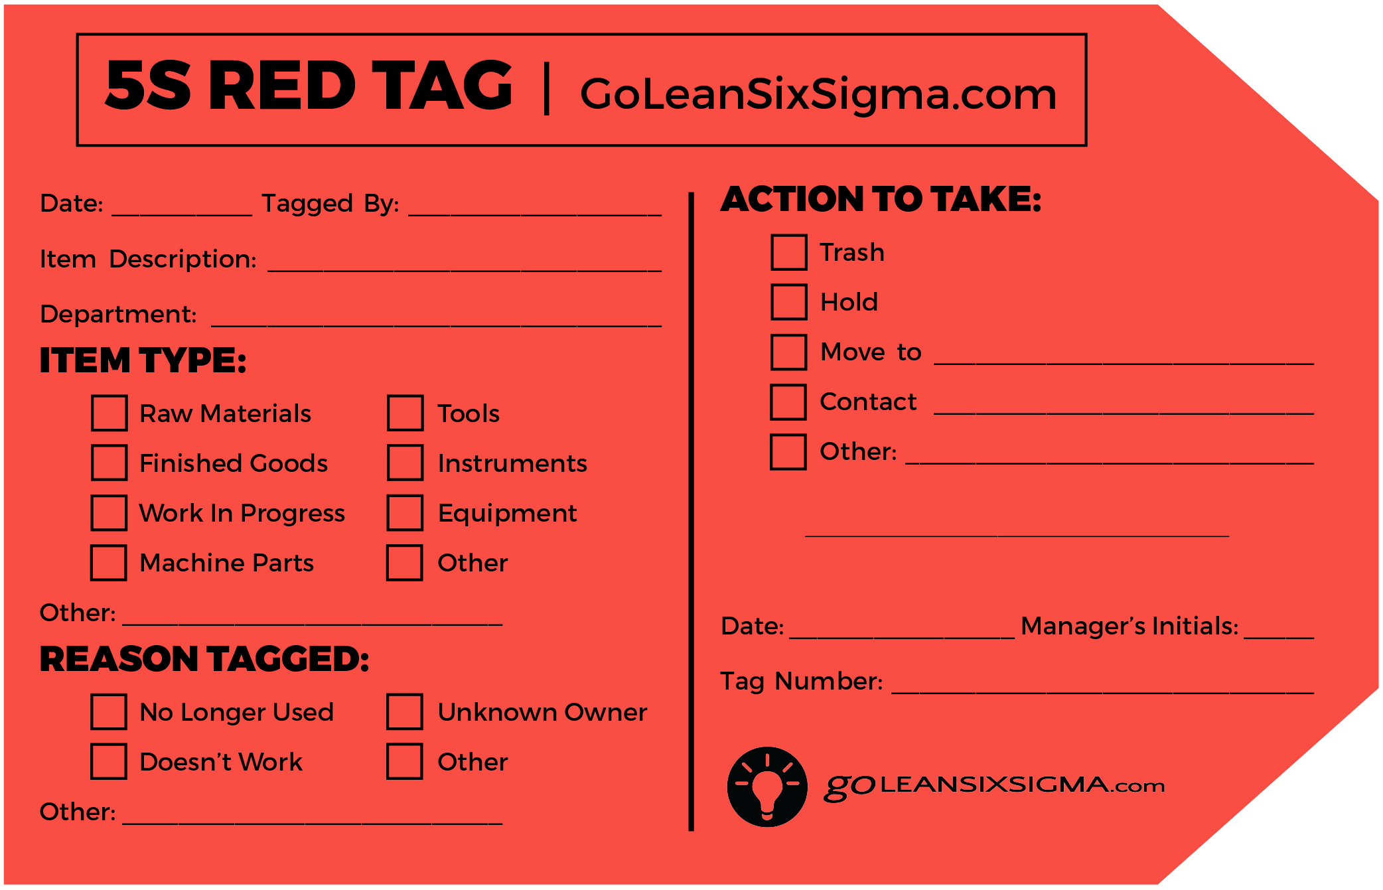 Download the printable RED TAG here! (red version or black & white version)

