Manufacturing Example
Executive Summary

Business Case | Project Results
What is the importance of doing this project? (State in lost dollars, productivity loss, customer dissatisfaction, cost avoidance, risk, etc.) | What are the measurable process improvements/wins?
 | * Improved Bent/Scratched/Damaged Scrap $$$ from average of $5850/month to $1362/month in Material Handling Department * Eliminated 1,527 feet of wasted Motion/Transportation
With B/S/D Scrap $$$ projected to jump almost 300% from 2014 to 2015, this cross-departmental project is our best opportunity to reduce scrap costs across the board while aligning our efforts with the Organizational Strategy. This project could result in $35,000 in Annual Scrap Reduction.

Root Cause Analysis
What are the critical findings/root causes that were discovered?
* Difference in work practices between Shifts * Waste: Motion/Transportation | Graphical Display of Improvement
 | Insert a chart, graph illustrating before and after process improvement (Control or Run Chart indicating the date improvements were made or Box Plot comparing Before and After)

 | 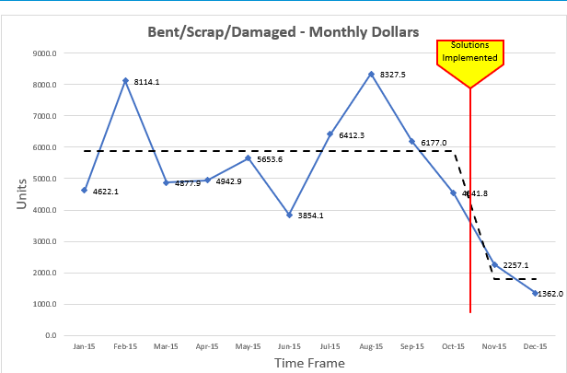
Solutions Implemented
List key solutions that were implemented to address root causes
* Designed more efficient racks * Improved employee cross-training * Improved outdated Standard Work Instructions with Visual Management and identified/implemented simple changes (spacer/arm covers/shavings/tiedowns) to the process. *Created new storage area to reduce wasted Motion/Transportation

Finance Example
Executive Summary

Business Case | Project Results
What is the importance of doing this project? (State in lost dollars, productivity loss, customer dissatisfaction, cost avoidance, risk, etc.) | What are the measurable process improvements/wins?
 | 1.83% (147 out of 177) of the parcels were paid as of 11/27/18 2. The average late fees on the 147 parcels paid was $156 compared to $409 on baseline--62% less! 3. 38% (67 Taxpayers) were able to pay without late fees 4. The average months paid late was reduced from 6 months to 3.5 months 5. We were able to locate 90% of the taxpayers whose notices were returned
Providing taxpayers with equal opportunity to take advantage of the extended deadline contributes to the initiative of Equity and Social Justice. This project is a way to show taxpayers that we are constantly working towards providing exceptional customer service.

Root Cause Analysis
What are the critical findings/root causes that were discovered?
Data showed that unprocessed mail blowbacks contributed to taxpayer dissatisfaction. Taxpayers end up paying later and larger delinquency fees. | Graphical Display of Improvement
 | Insert a chart, graph or visual demonstrating process improvement
 | 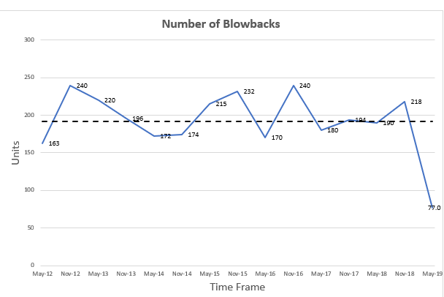

Solutions Implemented
List key solutions that were implemented to address root causes
1. Created new process to research mail blowbacks – Standard Work 2. Provided a complete package of training and communication 3. Materials to new process owners – Standard Work 4. Conducted training to new process owners 5. Enable Customer Service staff members to complete online research thru LexisNexis online application.

Healthcare Example
Executive Summary

Business Case | Project Results
What is the importance of doing this project? (State in lost dollars, productivity loss, customer dissatisfaction, cost avoidance, risk, etc.) | What are the measurable process improvements/wins?
 | 1. QM Audits on average decreased from 12.4 hours to complete 2. With savings of 17 hours/week, QM implemented 7 new audits, increased the frequency of 7 audits, and produced 8 Customer improvements 3. This led to a total savings of $30,768 in paid wages and increased employee satisfaction on reports (△ 25%) and QI (△ 14%)
QM Deliverable process improvements would result in increased productivity and savings in overhead. This could translate to increases in data-informed decision making, less time wasted on solutions which don't work, and more time for evidence-based Lean Six Sigma Projects.

Root Cause Analysis
What are the critical findings/root causes that were discovered?
1. QM Audits were disorganized and took too long. 2. QM Staff wasted time on tasks which technology could do for them 3. Recommendations took too long or were rarely followed up on 4. Data/Reports were unhelpful to staff most of the time | Graphical Display of Improvement
 | Insert a chart, graph or visual demonstrating process improvement
 | 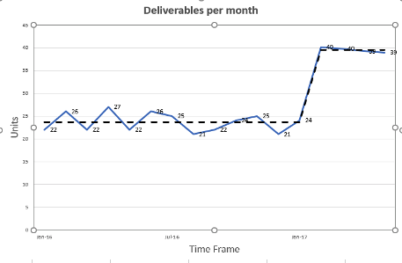

Solutions Implemented
List key solutions that were implemented to address root causes
1. Steps were removed from the audit process 2. Excel formulas, macros, and templates were created for every audit 3. QM Department metrics were identified and monitored for QI needs 4. Agency QI Projects are tracked and monitored for effectiveness 5. SOLAR reports now include links (job aids, PPPs) and practical data 6. VDS Staff are coordinating with other agencies to save costs in EMR 7. Increase customer surveys 8. "You asked, QM Heard" emails when solutions are implemented

